Hoja1
ACT 2 - Proves caixa negra

Classe: DiaSemana | Metodo: getDiasemana(int dia,int mes,int ano)

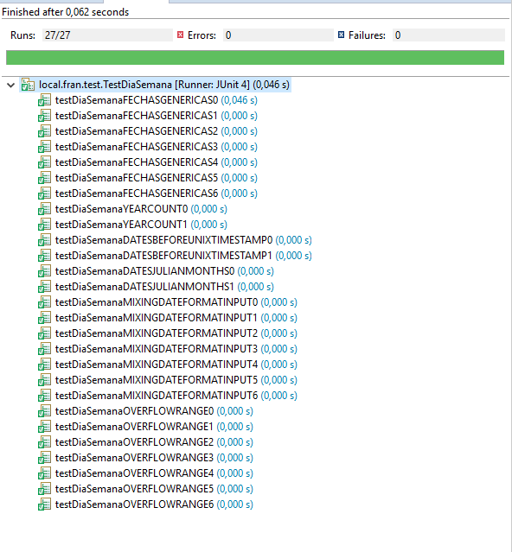
TEST FECHAS GENERICAS (Obtener todas las salidas correctas)
 | Test 0 Input(2,4,2018) | Expected: 'LUNES' | Result:
 | Test 1 Input(8,5,2018) | Expected: 'MARTES' | Result:
 | Test 2 Input(9,1,2019) | Expected: 'MIERCOLES' | Result:
 | Test 3 Input(7,6,2018) | Expected: 'JUEVES' | Result:
 | Test 4 Input(7,11,2014) | Expected: 'VIERNES' | Result:
 | Test 5 Input(24,2,2018) | Expected: 'SABADO' | Result:
 | Test 6 Input(23,12,2018) | Expected: 'DOMINGO' | Result:

TEST MIXING DATE FORMAT INPUT | Test 0 Input(02,4,18) | Expected: 'LUNES' | Result:
 | Test 1 Input(8,05,2018) | Expected: 'MARTES' | Result:
 | Test 2 Input(9,01,19) | Expected: 'MIERCOLES' | Result:
 | Test 3 Input(7,06,2018) | Expected: 'JUEVES' | Result:
 | Test 4 Input(7,11,14) | Expected: 'VIERNES' | Result:
 | Test 5 Input(24,02,18) | Expected: 'SABADO' | Result:
 | Test 6 Input(23,12,18) | Expected: 'DOMINGO' | Result:

TEST OVERFLOW RANGE (IMPOSSIBLE DATES) | Test 0 Input(32,4,18) | Expected: 'ERROR' | Result:
 | Test 1 Input(8,055,0000) | Expected: 'ERROR' | Result:
 | Test 2 Input(50,1,19) | Expected: 'ERROR' | Result:
 | Test 3 Input(7,06666,2018) | Expected: 'ERROR' | Result:
 | Test 4 Input(7,99,141) | Expected: 'ERROR' | Result:
 | Test 5 Input(00,00,0000) | Expected: 'ERROR' | Result:
 | Test 6 Input(99,12,18) | Expected: 'ERROR' | Result:

TEST DATES BEFORE UNIX TIMESTAMP(1970) | Test 0 Input(1,1,1968) | Expected: 'LUNES' | Result:
 | Test 1 Input(9,1,1968) | Expected: 'MARTES' | Result:

TEST DATES JULIAN MONTHS | Test 0 Input(31,4,2018) | Expected: 'ERROR' | Result:
 | Test 1 Input(31,5,2018) | Expected: 'JUEVES' | Result:

TEST YEAR COUNT | Test 0 Input(28,2,2018) | Expected: 'MIERCOLES' | Result:
 | Test 1 Input(29,2,2018) | Expected: 'ERROR' | Result:

